EXERCISE 12
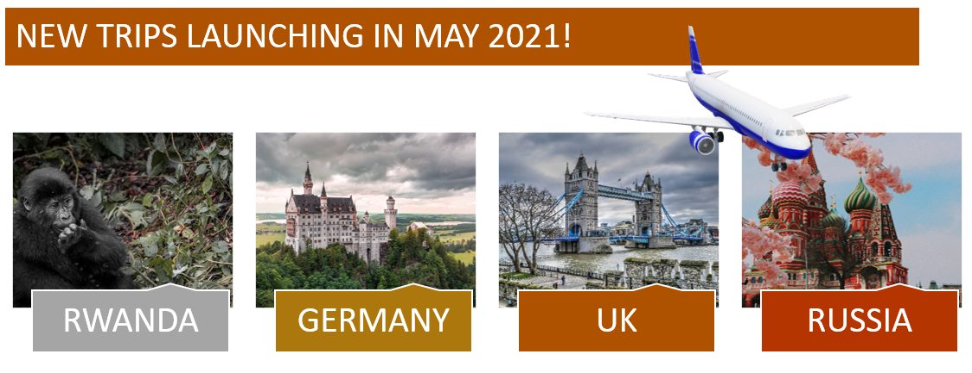
EXERCISE 12

INSERTING PICTURES | LOOKING UP INFORMATION
1. On the 'Insert_Pictures' worksheet, complete the images in column B.
2. In cell B10, insert an image of 'Australia' from 'This Device' (Download image from Exercise Files folder)
3. In cell B11, insert an image of 'Thailand' from 'Online Images'.
4. In cell B12, insert an image of 'Greece' from 'This Device' (Download image from Exercise Files folder)
5. Ensure all images are the same size (2.59cms" x 4.29cms")
6. Format the images so that they move with cells when the data is filtered.
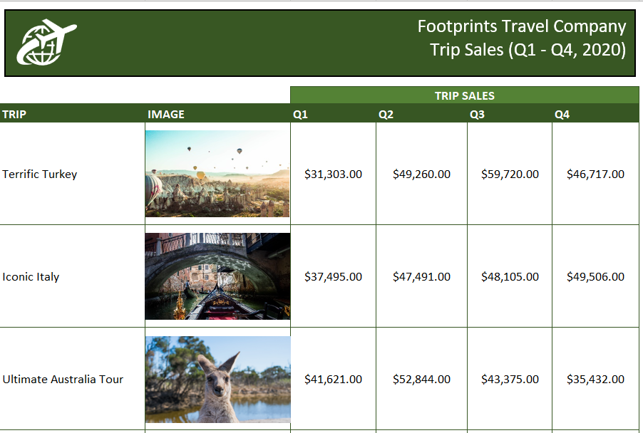

INSERTING SHAPES AND ICONS
1. On the 'Insert_Pictures' worksheet, draw a rectangle shape above the table.
2. Format the shape with a dark green background fill.
3. Add the text 'Footprints Travel Company' and 'Trip Sales Data (Q1 - Q4, 2020)'
4. Format the text (white, Calibri, 16pts)
5. Add an icon to the header.
6. Search for 'Travel' in the icon library.
7. Insert the icon, change the fill color to white, resize and position it on the left-hand side.

CREATING SMARTART DIAGRAMS
1. On the 'Diagram' worksheet, insert the 'Bending Picture Caption List' from the 'Picture' SmartArt category.
2. Format the SmartArt diagram.
3. Add a shape after the last shape.
4. Fill the shapes with photos from the Exercise Files folder.
5. Change the Colours of the SmartArt diagram to 'Colorful Range - Accent Colors 3 to 4'.
5. Add captions for each photo.
6. Add a '3D Model' of a plane from the 'Travel' category in the 3D Models Gallery.

Diagram
NEW TRIPS LAUNCHING IN MAY 2021!

